Sheet1
 |  | Document No. | Issue No. | Issue Date |  | Review and Replace Date |  | Authorised By
 |  | GFF545MC | 1 | 22.10.2025 |  | New doc |  | Magda Shah
 |  | Document Title | 6 CHICKEN SPRING ROLLS 180G
 |  |  |  |  |  |  |  | Magda Shah
Document amendments reason for change |  | New Product |  | Page 1 of 1 | Previous Issue Date |  | New doc | Uncontrolled copy unless signed original

CCSRM1-R6TTA | TAKUL |  | 6 CHICKEN SPRING ROLLS 180G | CHILLED
STEP 1 |  |  |  | STEP 2
 |  |  |  | 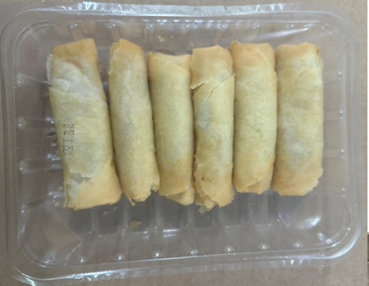

6 CHICKEN SPRING ROLL 30G - CHINA

Tray: SK4 Plain Clear (PKESS001-07) |  |  |  | Chicken Spring Roll 30g-(RMWEI002-02) : 6 pieces |  |  |  |  | TOTAL WEIGHT 180g
Film: K-peel 7G+25A/f-275mm (PKKMP001-03)
ALLERGY ALERT: Wheat, Soybean, Sesame

